Sheet1
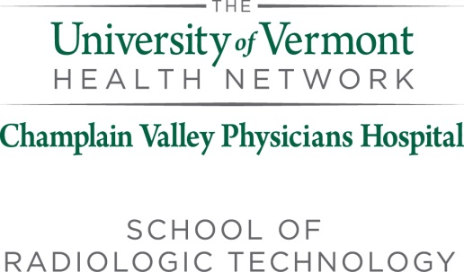

Champlain Valley Physicians Hospital Medical Center
Professional Certification and Licensure Disclosure Statement
State | Does the program meet the national certification requirements (ARRT)? |  | Requirements for State Licensure for Each State | Date Verified and Updated by Program
 | Yes | No | State License Requirements
Alabama | X |  | Does not license personnel. | 2023-02-17
Alaska | X |  | Does not license personnel. | 2023-02-17
Arizona | X |  | ARRT | 2023-02-17
Arkansas | X |  | Graduate of JRCERT accredited program, ARRT | 2023-02-17
California | X |  | Graduate of state approved program, ARRT. Fluoro license requires graduate of state approved fluoro program OR JRCERT accredited program and ARRT | 2023-02-17
Colorado | X |  | ARRT | 2023-02-17
Connecticut | X |  | Graduate of state approved program or JRCERT accredited program, ARRT | 2023-02-17
Delaware | X |  | Graduate of JRCERT accredited program, ARRT | 2023-02-17
District of Columbia | X |  | Does not license personnel. | 2023-02-17
Florida | X |  | Graduate of accredited program, FL state license exam, ARRT | 2023-02-17
Georgia | X |  | Does not license personnel. | 2023-02-17
Hawaii | X |  | ARRT | 2023-02-17
Idaho | X |  | Does not license personnel. | 2023-02-17
Illinois | X |  | ARRT | 2023-02-17
Indiana | X |  | Graduate from state approved program, ARRT | 2023-02-17
Iowa | X |  | ARRT | 2023-02-17
Kansas | X |  | Graduate from state approved program, ARRT | 2023-02-17
Kentucky | X |  | Graduate from state approved program, ARRT | 2023-02-17
Louisiana | X |  | ARRT | 2023-02-17
Maine | X |  | ARRT | 2023-02-17
Maryland | X |  | Graduate from JRCERT program, ARRT | 2023-02-17
Massachusetts | X |  | ARRT | 2023-02-17
Michigan | X |  | Does not license personnel. | 2023-02-17
Minnesota | X |  | ARRT | 2023-02-17
Mississippi | X |  | ARRT | 2023-02-17
Missouri | X |  | Does not license personnel. | 2023-02-17
Montana | X |  | 24 month course of study in state approved program, ARRT | 2023-02-17
Nebraska | X |  | Minimum 12 month course of study in state aproved program, ARRT | 2023-02-17
Nevada | X |  | Graduate from state approved or JRCERT program, ARRT | 2023-02-17
New Hampshire | X |  | ARRT | 2023-02-17
New Jersey | X |  | 24 month course of study in state or JRCERT approved program, ARRT | 2023-02-17
New Mexico | X |  | ARRT | 2023-02-17
New York | X |  | Graduate from state approved program, ARRT | 2023-02-17
North Carolina | X |  | Does not license personnel. | 2023-02-17
North Dakota | X |  | ARRT | 2023-02-17
Ohio | X |  | ARRT; accredited program for state license | 2023-02-17
Oklahoma | X |  | Does not license personnel. | 2023-02-17
Oregon | X |  | ARRT | 2023-02-17
Pennsylvania | X |  | ARRT but does not license personnel | 2023-02-17
Rhode Island | X |  | ARRT; state approved training program | 2023-02-17
South Carolina | X |  | ARRT or JRCERT accredited program | 2023-02-17
South Dakota | X |  | Does not license personnel. | 2023-02-17
Tennessee | X |  | ARRT | 2023-02-17
Texas | X |  | Graduate from state approved program, ARRT | 2023-02-17
Utah | X |  | ARRT | 2023-02-17
Vermont | X |  | Graduate from ARRT approved program; ARRT | 2023-02-17
Virginia | X |  | ARRT | 2023-02-17
Washington | X |  | ARRT | 2023-02-17
West Virginia | X |  | Graduate from JRCERT program, ARRT | 2023-02-17
Wisconsin | X |  | ARRT or state approved or JRCERT accredited program | 2023-02-17
Wyoming | X |  | ARRT | 2023-02-17

* All JRCERT accredited programs meet the curricular requirements for state licensure and national certification.
JRCERT: The Joint Review Committee on Education in Radiologic Technology
ARRT: The American Registry of Radiologic Technologists

